Dashboard
Dashboard |  |  |  |  |  |  |  |  | Update : 18-Jul-16

Measurement |  |  |  |  | Formula
1 | Inbound Freight : average 1.3% of material received | < 1.3% of material received |  |  |  | Inbound Freight | x 100
 |  |  |  |  |  | Material received

2 | Outbound Freight : Freight Gain/Loss Report | Freight Gain/Loss Report |  |  |  | Outbound Accrued Freight (ZAUTOFREIGHT1) - Freight charge Custmer (Finish goods)

3 | Freight Cost | < 2.0% of Sales |  |  |  | Accrued Freight (Inbound+Outbound) |  | x100
 |  |  |  |  |  | Sales
Calculation data for Dash board (monthly basis, use data at month end)
1) | Sales
2) | Material received report from |  | S:\COSTING\Received Mat'l
3) | Freight data both Inbound and Outbound. |  |  | Transaction code = ZAUTOFREIGHT1
4) | Freight data charge customer (Outbound) - from SAP, please contact K. Klairung/K/ Montree from getting data from SAP

Gage meter

 | Logistics Cost | In/Out | Green | Yellow | Red
 | Logistics Cost | Total Cost | =<2% | =<2.3% | >2.3%
 |  | Inbound | =<1% | =<1.15% | >1.15%
 |  | Outbound | =<1% | =<1.15% | >1.15%

Dashboard (It's example only)

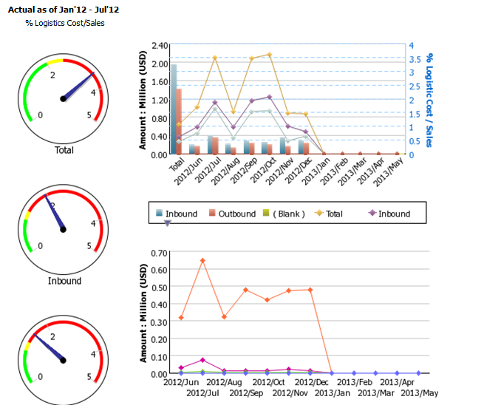

Filter
 | Inbound Freight |  |  |  | Outbound
 | 1. Vendor name/Shipper name |  |  |  | 1. Customer name
 | 2. Freight Forwarder Name |  |  |  | 2. Freight Forwarder Name (Broker/Vendor)
 | 3. Country |  |  |  | 3. Country
 | 4. Shipped via (shipping mode) |  |  |  | 4. Shipped via (shipping mode)
 | 5. Month |  |  |  | 5. Month
 | 6. Job number |  |  |  | 6. Job number
 | 7. Freight Amount |  |  |  | 7. Freight Amount

ตัวอย่าง Filter (ไม่ตรงกับที่ขอใหม่ ให้เป็นตัวอย่างเท่านั้น)
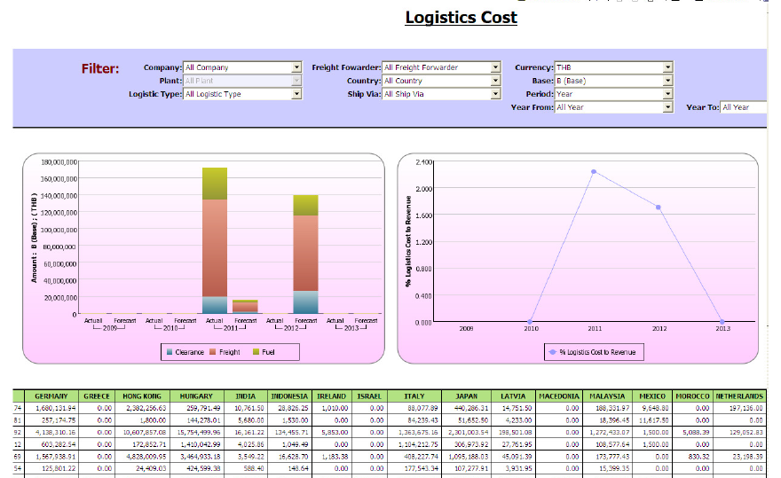

Factor & Controllable
 |  |  | Trigger
 | Type | Air
 |  | Sea
 |  | Truck
 |  | Courier | Freight Spending > 1 mB / month

% to sales & mat's rec
Amount from Finance
OUTBOUND Freight spending to Sales
Description | 2012 | 2013 | 2014 | 2015 | Jan'15 | Feb'15 | Mar'15
Sales (mB) | 7,392.49 | 7,738.84 | 8,145.25 | 1,397.41 | 267.91 | 457.52 | 671.98
% OB Freight to Sales | 1.18% | 1.34% | 1.13% | 1.09% | 0.86% | 1.16% | 1.13%
Outbound Freight to Sales
 | Sales (mB) | Outbound Freight (mB) | AXC (mB) | Other Customer (mB) | % OB Freight to Sales | % OB Freight AXC to Sales | % OB Freight ROC to Sales | %Target
2012 | 7,392.49 |  |  |  | 1.18% |  |  | 1.50%
2013 | 7,738.84 |  |  |  | 1.34% |  |  | 1.40%
2014 | 8,145.25 |  |  |  | 1.13% |  |  | 1.30%
2015 | 1,397.41 |  |  |  | 1.09% | 1.00% | 0.09% | 1.20%
Jan'15 | 267.91 |  |  |  | 0.86% | 0.79% | 0.07% | 1.20%
Feb'15 | 457.52 |  |  |  | 1.16% | 1.06% | 0.10% | 1.20%
Mar'15 | 671.98 |  |  |  | 1.13% | 1.04% | 0.08% | 1.20%
% OB Freight AXC to Sales |  |  |  | 1.00% | 0.79% | 1.06% | 1.04%
% OB Freight ROC to Sales |  |  |  | 0.09% | 0.07% | 0.10% | 0.08%
%Target | 1.50% | 1.40% | 1.30% | 1.20% | 1.20% | 1.20% | 1.20%

Outbound Freight to Sales
 | Sales (mB) |  | % OB Freight to Sales |  | %Target
2012 | 7,392.49 | 2013 | 1.18% | 2012 | 1.50%
2013 | 7,738.84 | 2014 | 1.34% | 2013 | 1.40%
2014 | 8,145.25 |  | 1.13% | 2014 | 1.30%
2015 | 1,397.41 |  | 1.09% | 2015 | 1.20%
Jan'15 | 267.91 |  | 0.86% | Jan'15 | 1.20%
Feb'15 | 457.52 |  | 1.16% | Feb'15 | 1.20%
Mar'15 | 671.98 |  | 1.13% | Mar'15 | 1.20%

INBOUND Freight spending to Material received
Description | 2012 | 2013 | 2014 | 2015 | Jan'15 | Feb'15 | Mar'15
Materials received (mB) | 5,848.61 | 5,730.00 | 7,013.18 | 1,636.93 | 435.26 | 519.51 | 682.16
Inbound Freight (mB) | 89.89 | 99.48 | 105.05 | 18.77 | 4.51 | 6.96 | 7.29
% IB Freight to Ma'l received | 1.54% | 1.74% | 1.50% | 1.15% | 1.04% | 1.34% | 1.07%
%IB Freight to Sales | 1.22% | 1.29% | 1.29% | 1.34% | 1.68% | 1.52% | 1.09%
%Target to Mat'l received | 1.50% | 1.40% | 1.30% | 1.20% | 1.20% | 1.20% | 1.20%
%Target to Sales | 1.00% | 1.00% | 1.00% | 1.00% | 1.00% | 1.00% | 1.00%
Inbound Freight to Material Received
 | Materials received (mB) |  | % IB Freight to Ma'l received |  | %Target to Mat'l received
2012 | 5,848.61 | 2013 | 1.54% |  | 1.50%
2013 | 5,730.00 | 2014 | 1.74% |  | 1.40%
2014 | 7,013.18 | 2015 | 1.50% |  | 1.30%
2015 | 1,636.93 | Jan'15 | 1.15% |  | 1.20%
Jan'15 | 435.26 | Feb'15 | 1.04% |  | 1.20%
Feb'15 | 519.51 | Mar'15 | 1.34% |  | 1.20%
Mar'15 | 682.16 |  | 1.07% |  | 1.20%
Inbound Freight to Sales
 | Sales (mB) |  | %IB Freight to Sales |  | %Target to Sales
2012 | 7,392.49 | 2012 | 1.22% | 2012 | 1.00%
2013 | 7,738.84 | 2013 | 1.29% | 2013 | 1.00%
2014 | 8,145.25 | 2014 | 1.29% | 2014 | 1.00%
2015 | 1,397.41 | 2015 | 1.34% |  | 1.00%
Jan'15 | 267.91 | Jan'15 | 1.68% |  | 1.00%
Feb'15 | 457.52 | Feb'15 | 1.52% |  | 1.00%
Mar'15 | 671.98 | Mar'15 | 1.09% |  | 1.00%

Freight spending to Sales
Description | 2012 | 2013 | 2014 | 2015 | Jan'15 | Feb'15 | Mar'15
Sales (mB) | 7,392.49 | 7,738.84 | 8,145.25 | 1,397.41 | 267.91 | 457.52 | 671.98 | 775.74 | 103.76
Total Freight Spending (mB) | 177.35 | 202.90 | 197.20 | 33.94 | 6.81 | 12.27 | 14.86 |  | 15%
%Total Freight to Sales | 2.40% | 2.62% | 2.42% | ,./ddrFj | 2.54% | 2.68% | 2.21%
%Target | 2.50% | 2.40% | 2.30% | 2.20% | 2.20% | 2.20% | 2.20%

Freight Spending to Sales
 | Sales (mB) | Inbound Freight Spending | Outbound Freight Spending | Total Freight Spending (mB) | %Total Freight to Sales | %Target
2012 | 7,392.49 |  |  | 177.35 | 2.40% | 2.50%
2013 | 7,738.84 |  |  | 202.90 | 2.62% | 2.40%
2014 | 8,145.25 |  |  | 197.20 | 2.42% | 2.30%
2015 | 1,397.41 |  |  | 33.94 | 0.00% | 2.20%
Jan'15 | 267.91 |  |  | 6.81 | 2.54% | 2.20%
Feb'15 | 457.52 |  |  | 12.27 | 2.68% | 2.20%
Mar'15 | 671.98 |  |  | 14.86 | 2.21% | 2.20%

% to sales-mat's rec-inventory
Amount from Finance
INBOUND Freight spending to Material received
Description | Jan'15 | Feb'15 | Mar'15
Inbound Freight to Sales, Mat'l received, Inventory
 | Sale (mB) | Materials received (mB) | Inventory (mB) | Inbound Freight (mB) | %IB Freight to Sales | %IB Freight to Mat'l received | %IB Freight to Inventory
Jan'15 | 267.91 | 435.26 | 741.29 | 4.51 | 1.68% | 1.04% | 0.61%
Feb'15 | 457.52 | 519.51 | 910.84 | 6.96 | 1.52% | 1.34% | 0.76%
Mar'15 | 671.98 | 682.16 | 997.82 | 7.29 | 1.09% | 1.07% | 0.73%
Sale (mB) | 267.91 | 457.52 | 671.98
Materials received (mB) | 435.26 | 519.51 | 682.16
Inventory (mB) | 741.29 | 910.84 | 997.82
Inbound Freight (mB) | 4.51 | 6.96 | 7.29
%IB Freight to Sales | 1.68% | 1.52% | 1.09%
%IB Freight to Mat'l received | 1.04% | 1.34% | 1.07%
%IB Freight to Inventory | 0.61% | 0.76% | 0.73%

Cost by element 2015
INBOUND
Type | F.FREIGHT | F.FUEL | F.SECURITY | F.EX-WORK | F.CAF | F.CCF | F.CFS/THC | F.PORTCHG | F.TRANSPORT | F.OTHER | C.SERVICE / HANDING | C.OTHER | C.OT | C.STORAGE | C.D/O | Ship Via | ACCURED | INSURANCE | EDI Fee | WH Handling Fee | TOTAL
Jan'15 | 3,292,091.42 | 1,168,200.52 | 194,027.38 | 939,741.16 | 72,921.50 | 74,421.16 | 112,102.95 | 134,558.80 | 75,300.00 | 98,496.04 | 268,509.10 | 240,999.69 | 38,900.00 | 365,920.27 | 226,508.15 | - | 7,302,698.15 | 28,315.00 | 214,400.00 | - | 7,545,413.15
Feb'15 | 3,362,725.68 | 1,079,297.52 | 158,092.27 | 921,986.03 | 61,613.69 | 63,128.03 | 187,581.55 | 231,476.55 | 146,980.00 | 123,344.01 | 255,775.10 | 328,806.11 | 38,600.00 | 412,188.82 | 97,025.94 | - | 7,468,621.30 | 27,929.43 | 233,200.00 | 495,839.00 | 8,225,589.73
Mar'15 | 3,219,344.41 | 868,075.96 | 141,051.21 | 1,132,674.94 | 61,990.79 | 69,413.59 | 86,942.50 | 104,143.64 | 64,950.00 | 96,270.92 | 207,447.96 | 200,177.71 | 37,000.00 | 365,713.54 | 93,543.71 | - | 6,748,740.88 | 25,223.78 | 204,400.00 | 377,834.33 | 7,356,198.99
Apr'15
May'15
Jun'15
Jul'15
Aug'15
Sep'15
Oct'15
Nov'15
Dec'15
Total | 9,874,161.51 | 3,115,574.00 | 493,170.86 | 2,994,402.13 | 196,525.98 | 206,962.78 | 386,627.00 | 470,178.99 | 287,230.00 | 318,110.97 | 731,732.16 | 769,983.51 | 114,500.00 | 1,143,822.63 | 417,077.81 | - | 21,520,060.33 | 81,468.21 | 652,000.00 | 873,673.33 | 23,127,201.87

OUTBOUND
Type | Currency | Net Cost./Usd | Exchange Rate | Net Cost/THB | Weight/KG. | Bussiness Place | Cost Center | F.FREIGHT | F.Fuel | F.Security | C.BKK Clearance | C.Dest. Clearance | C.O/T | C.BOI | C.CUSTOMS FEE | D.Duty | Shipped Via | ACCURED | Insurance | Total
Jan'15 |  |  |  |  | 65,831.58 | - | 13,227,630.00 | 1,932,284.96 | 121,873.37 | 19,132.00 | 286,831.13 | 176,186.58 | 3,570.00 | - | 13,637.50 | - | - | 2,553,515.54 | 9,882.95 | 2,563,398.49
Feb'15 |  |  |  |  | 105,747.50 | - | - | 4,271,776.72 | 392,105.95 | 69,197.00 | 273,118.49 | 277,425.94 | 1,730.00 | - | 16,343.50 | - | - | 5,301,697.60 | 19,210.49 | 5,320,908.09
Mar'15 |  |  |  |  | 162,664.25 | - | 26,455,260.00 | 5,959,296.09 | 914,710.58 | 99,343.96 | 347,049.01 | 201,374.87 | 3,300.00 | - | 25,800.00 | - | - | 7,550,874.51 | 26,223.28 | 7,577,097.79
Apr'15
May'15
Jun'15
Jul'15
Aug'15
Sep'15
Oct'15
Nov'15
Dec'15
Total | - | - | - | - | 334,243.33 |  |  | 12,163,357.77 | 1,428,689.90 | 187,672.96 | 906,998.63 | 654,987.39 | 8,600.00 | - | 55,781.00 | - | - | 15,406,087.65 | 55,316.72 | 15,461,404.37 |  | -

Cost by Element 2015

 | COST ELEMENT | INBOUND | OUTBOUND | TOTAL | % COST ELEMENT | REMARK
 | FREIGHT | 14,734,199.36 | 12,163,357.77 | 26,897,557.13 | 70%
 | FUEL | 3,115,574.00 | 1,428,689.90 | 4,544,263.90 | 12%
 | SECURITY | 493,170.86 | 187,672.96 | 680,843.82 | 2%
 | CUSTOMS CLEARANCE | 1,918,793.47 | 1,561,986.02 | 3,480,779.50 | 9%
 | CUSTOMS OT | 114,500.00 | 8,600.00 | 123,100.00 | 0%
 | STORAGE FEE | 1,143,822.63 | - | 1,143,822.63 | 3%
 | WH Handling | 873,673.33 | - | 873,673.33 | 2% | Agility
 | EDI FEE | 652,000.00 | 55,781.00 | 707,781.00 | 2%
 | INSURANCE | 81,468.21 | 55,316.72 | 136,784.93 | 0%
 |  | 23,127,201.87 | 15,461,404.37 | 38,588,606.24 | 100%

 |  |  |  | x

No Shpt & Tonnage SVI
Number of Shipment
Total shipment 2015
Shipment | Jan'15 | Feb'15 | Mar'15
Inbound | 1,086 | 1,198 | 1,046
Outbound | 80 | 97 | 146
Total shipment 2015 | 1,166 | 1,295 | 1,192
 |  | 129
 |  | 11%

Tonnage
Total weight 2015
Weight (ton) | Jan'15 | Feb'15 | Mar'15
Inbound | 233 | 298 | 198
Outbound | 66 | 106 | 163
Total weight 2015 | 299 | 404 | 361
 |  | 105
 |  | 35%

OB Frt Gain Loss 2014
Outbound Freight Gain/Loss Report |  |  |  |  |  |  |  |  |  | Currency : THB
Customer | Term | Duty | Q1'14 |  |  | Q2'14
 |  |  | Charge customer | Actual paid | Gain/Loss | Charge customer | Actual paid | Gain/Loss | Gain/Loss | %Gain/Loss
AXC | DDU | N/A | 25,120,245.80 | 19,063,671.95 | 6,056,573.85 | 22,572,193.70 | 16,173,600.18 | 6,398,593.52 | 12,455,167.37 | 66.98%
CAD | DDU | N/A | 809,370.81 | 329,556.35 | 479,814.46 | 2,334,539.27 | 749,808.97 | 1,584,730.30 | 2,064,544.76 | 11.10%
ABX | DAP | N/A | 1,286,772.89 | 259,484.81 | 1,027,288.08 | 734,932.88 | 108,549.71 | 626,383.17 | 1,653,671.25 | 8.89%
ABR | DAP | N/A | 2,103,736.87 | 1,292,205.85 | 811,531.02 | 1,064,354.37 | 560,915.18 | 503,439.19 | 1,314,970.21 | 7.07%
SAB | DDU | N/A | 789,799.56 | 500,860.40 | 288,939.16 | 1,388,101.06 | 363,340.54 | 1,024,760.52 | 1,313,699.68 | 7.06%
ABM | DDP | 0% | 340,271.66 | 259,492.61 | 80,779.05 | 414,137.97 | 215,351.69 | 198,786.28 | 279,565.33 | 1.50%
SGD | DDP | 0% | 193,638.85 | 179,987.98 | 13,650.87 | 0.00 | 0.00 | - | 13,650.87 | 0.07%
ABC | DDU | N/A | 183,483.76 | 217,919.67 | -34,435.91 | 0.00 | 0.00 | - | -34,435.91 | -0.19%
ABW | DAP | N/A | 370,585.21 | 771,086.72 | -400,501.51 | 420,398.60 | 485,411.06 | -65,012.46 | -465,513.97 | -2.50%
Gain/Loss |  |  | 31,197,905.41 | 22,874,266.34 | 8,323,639.07 | 28,928,657.85 | 18,656,977.33 | 10,271,680.52 | 18,595,319.59 | 100.00%

Outbound Freight Gain/Loss Q1-Q2'14
 | Q1'14 |  | Q2'14 |  | Q3'14 |  | Q4'12
AXC | 6,056,573.85 | AXC | 6,398,593.52 | CAD |  |  |  |  | 12,455,167.37
CAD | 479,814.46 | CAD | 1,584,730.30 | ABX |  |  |  |  | 2,064,544.76
ABX | 1,027,288.08 | ABX | 626,383.17 | ABR |  |  |  |  | 1,653,671.25
ABR | 811,531.02 | ABR | 503,439.19 | SAB |  |  |  |  | 1,314,970.21
SAB | 288,939.16 | SAB | 1,024,760.52 | ABM |  |  |  |  | 1,313,699.68
ABM | 80,779.05 | ABM | 198,786.28 | SGD |  |  |  |  | 279,565.33
SGD | 13,650.87 | SGD | - | ABC |  |  |  |  | 13,650.87
ABC | (34,435.91) | ABC | - | ABW |  |  |  |  | (34,435.91)
ABW | (400,501.51) | ABW | (65,012.46) |  |  |  |  |  | (465,513.97)
THB

